Sheet1
 | X2 | X3
Control | 6.5062171503 | 7.4352481927
4.5 | 8.1710582038 | 11.52292244
5 | 8.7363154942 | 11.62482397
5.5 | 9.8018435638 | 12.024797586
6 | 10.135437658 | 11.860591307
6.5 | 10.182887622 | 11.5858527
7 | 10.171087583 | 11.40363295
pH
 |  | 4.5 | 5 | 5.5 | 6 | 6.5 | 7 | Control
 | X3 | 11.52 | 11.62 | 12.02 | 11.86 | 11.59 | 11.40 | 7.44
 | X2 | 8.17 | 8.74 | 9.80 | 10.14 | 10.18 | 10.17 | 6.51
 | XOS | 19.69 | 20.36 | 21.83 | 22.00 | 21.77 | 21.57 | 13.94
 | St(XOS) | 0.37 | 0.35 | 0.18 | 0.11 | 0.26 | 0.26 | 0

Temperature
 | oC | 45 | 50 | 55 | 60 | 65 | Control
 | X3 | 11.64 | 11.95 | 11.78 | 11.94 | 12.19 | 7.44
 | X2 | X3
Control | 6.506217 | 7.435248
45 | 10.242759875 | 11.643576682
50 | 10.437374219 | 11.95233933
55 | 9.9607852732 | 11.77621042
60 | 9.8211106019 | 11.936189757
65 | 9.7979374693 | 12.18969256
 | X2 | 10.24 | 10.44 | 9.96 | 9.82 | 9.80 | 6.51
 | XOS | 21.89 | 22.39 | 21.74 | 21.76 | 21.99 | 13.94
 | St(XOS) | 0.07 | 0.56 | 0.47 | 0.15 | 0.21 | 0

Enzyme concentration

 | X2 | X3
Control | 6.506217 | 7.435248
5 | 10.119072939 | 11.666411016
10 | 10.747572624 | 11.542521804
15 | 11.164193936 | 11.394509326
20 | 11.063148722 | 10.863746915
25 | 11.438810545 | 10.583524025
 | U/mL | Control | 5 | 10 | 15 | 20 | 25
 | X3 | 7.44 | 11.67 | 11.54 | 11.39 | 10.86 | 10.58
 | X2 | 6.51 | 10.12 | 10.75 | 11.16 | 11.06 | 11.44
 | XOS | 13.94 | 21.79 | 22.29 | 22.56 | 21.93 | 22.02
 | St(XOS) | 0.03 | 0.03 | 0.01 | 0.02 | 0.04 | 0.02

Time

 | X2 | X3
0 | 5.6738647531 | 6.5921722505
5 | 6.6554617531 | 9.82
10 | 8.5761292849 | 9.85
15 | 8.945 | 10.4
30 | 8.9 | 11.7
60 | 10.2 | 11.8
120 | 13.9 | 13.7
240 | 13.7 | 13.69
480 | 13.77 | 13.89
 | min | 0 | 5 | 10 | 15 | 30 | 60 | 120 | 240 | 480
 | X3 | 6.59 | 9.82 | 9.85 | 10.40 | 11.70 | 11.80 | 13.70 | 13.69 | 13.89
 | X2 | 5.67 | 6.66 | 8.58 | 8.95 | 8.90 | 10.20 | 13.90 | 13.70 | 13.77
 | XOS | 12.27 | 16.48 | 18.43 | 19.35 | 20.60 | 22.00 | 27.60 | 27.39 | 27.66
 | St(XOS) | 0.28 | 0.53 | 0.31 | 1.33 | 0.57 | 0.19 | 0.56 | 1.28 | 0.41

Substrate state

 |  | x3 | x2 | XOS | St(XOS)
 | Control of SL-LF | 7.15 | 6.58 | 13.73 | 0.00
 | SF-LF | 13.23 | 13.20 | 26.44 | 0.02
 | Control of LF | 6.47 | 6.21 | 12.68 | 0.07
 | LF | 9.58 | 10.00 | 19.58 | 0.03

 | X2 | X3
Control of SL-LF | 6.5831762954 | 7.1505835383
SF-LF | 13.202807353 | 13.233987378
Control of LF | 6.2054115398 | 6.4695909267
LF | 9.9962217257 | 9.5835204845

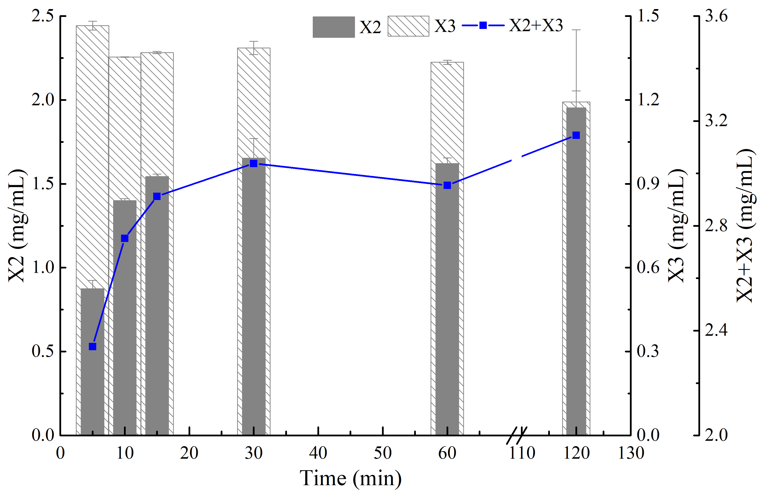
Beechwood xylan

 | Time | X2 | St(X2) | X3 | St(X3) | X2+X3
 | min | mg/mL |  | mg/mL |  | mg/mL
 | 5 | 0.87 | 0.05 | 1.47 | 0.02 | 2.34
 | 10 | 1.40 | 0.01 | 1.35 | 0.00 | 2.75
 | 15 | 1.54 | 0.02 | 1.37 | 0.00 | 2.91
 | 30 | 1.65 | 0.12 | 1.39 | 0.02 | 3.04
 | 60 | 1.62 | 0.04 | 1.33 | 0.01 | 2.95
 | 120 | 1.95 | 0.47 | 1.19 | 0.04 | 3.15
Brichwood xylan
 | Time | X2 | St(X2) | X3 | St(X3) | X2+X3
 | min | mg/mL |  | mg/mL |  | mg/mL
 | 5 | 0.02 | 0.01 | 0.91 | 0.00 | 0.92
 | 10 | 0.17 | 0.01 | 1.02 | 0.00 | 1.19
 | 15 | 0.21 | 0.00 | 0.99 | 0.00 | 1.21
 | 30 | 0.49 | 0.03 | 1.21 | 0.01 | 1.70
 | 60 | 0.61 | 0.01 | 1.28 | 0.01 | 1.89
 | 120 | 0.61 | 0.01 | 1.28 | 0.01 | 1.89

Oat-spelt xylan
 | Time | X2 | St(X2) | X3 | St(X3) | X2+X3
 | min | mg/mL |  | mg/mL |  | mg/mL
 | 5 | 0.67 | 0.08 | 0.25 | 0.02 | 0.93
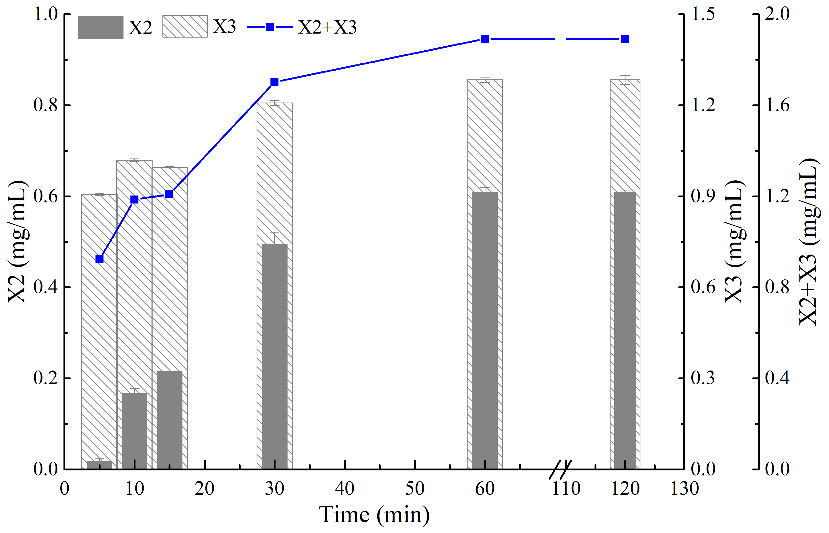
 | 10 | 1.14 | 0.38 | 0.16 | 0.01 | 1.30
 | 15 | 1.21 | 0.00 | 0.17 | 0.00 | 1.39
 | 30 | 1.18 | 0.60 | 0.36 | 0.06 | 1.54
 | 60 | 1.65 | 0.15 | 0.37 | 0.01 | 2.03
 | 120 | 1.85 | 0.66 | 0.40 | 0.07 | 2.25

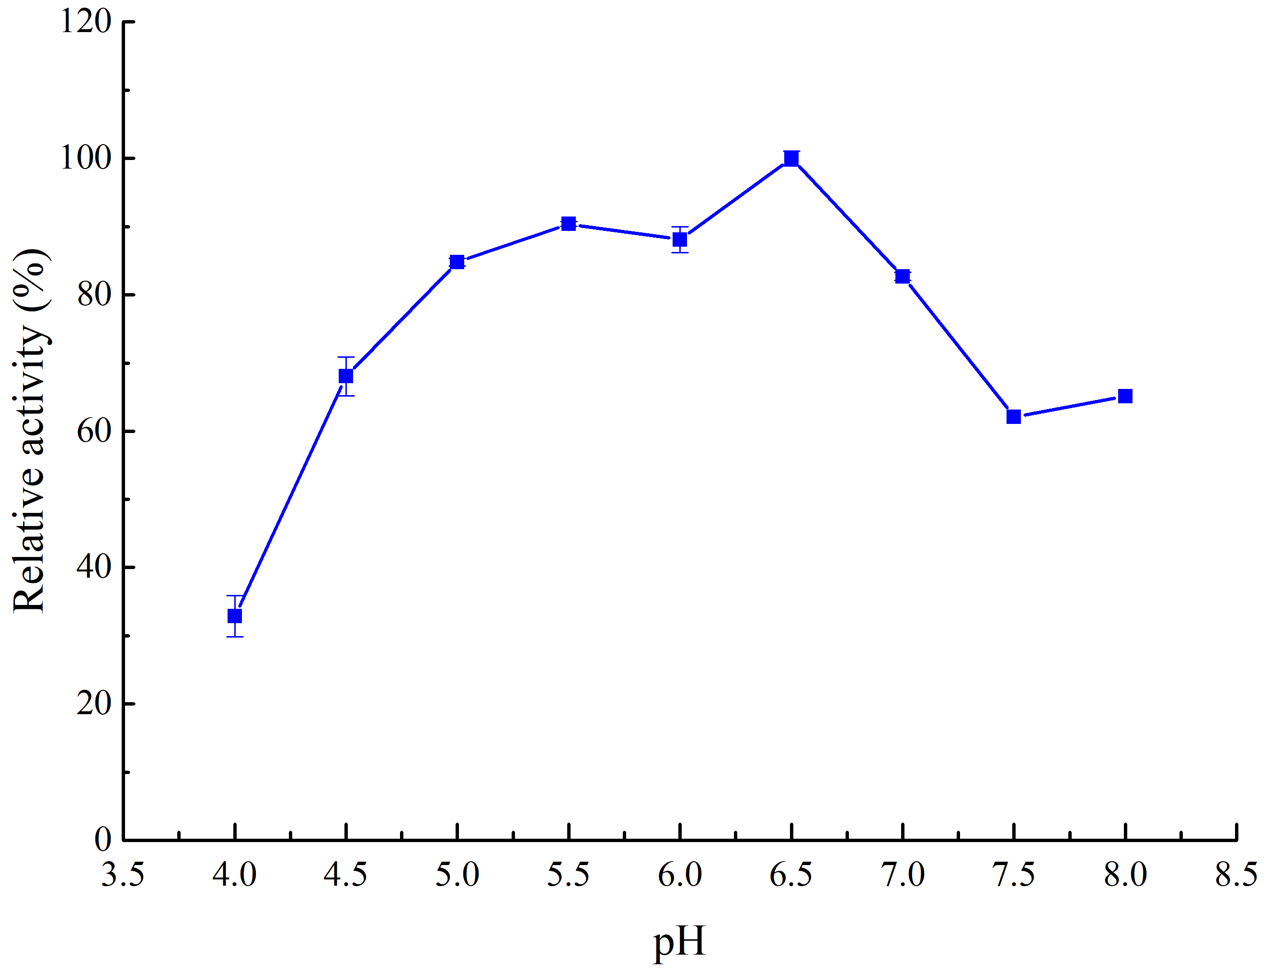
optimal pH
 | pH | Relative activity (%) | St
 | 4 | 32.84 | 3.02
 | 4.5 | 68.04 | 2.87
 | 5 | 84.8 | 0.57
 | 5.5 | 90.37 | 0.36
 | 6 | 88.08 | 1.89
 | 6.5 | 100 | 1.08
 | 7 | 82.7 | 0.59
 | 7.5 | 62.13 | 0.74
 | 8 | 65.09 | 0.15

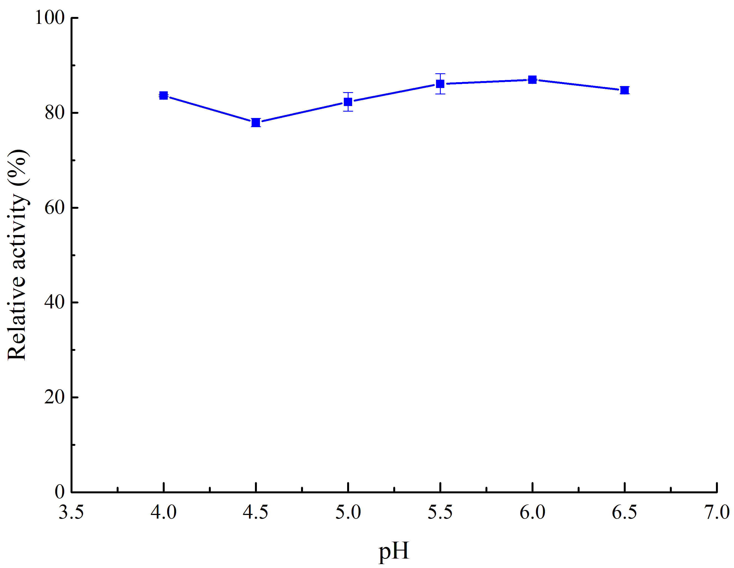
pH stability | pH | Relative activity (%) | St
 | 4 | 83.61 | 0.18
 | 4.5 | 77.97 | 0.87
 | 5 | 82.31 | 1.94
 | 5.5 | 86.11 | 2.13
 | 6 | 86.99 | 0.12
 | 6.5 | 84.77 | 0.75

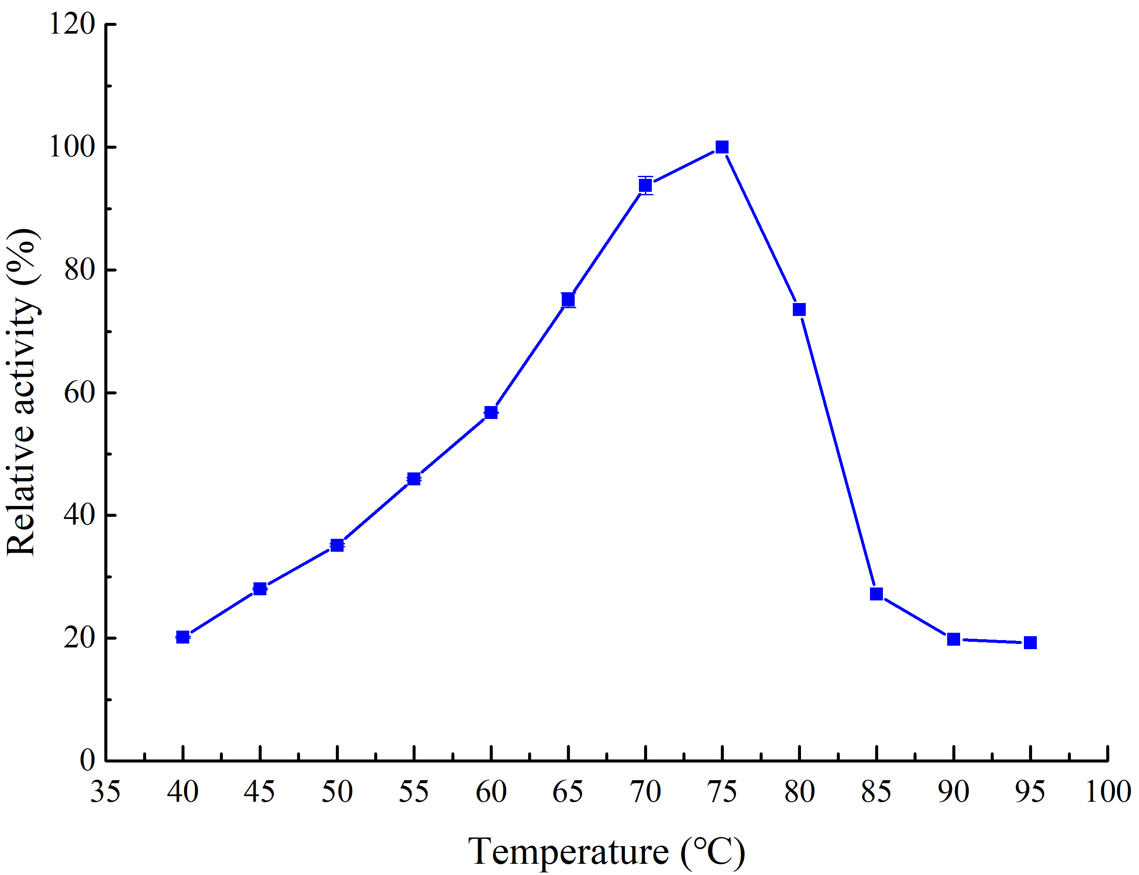
optimal temperature | temperature (°C) | Relative activity (%) | St
 | 40 | 20.15 | 0.14
 | 45 | 28.04 | 0.15
 | 50 | 35.15 | 0.22
 | 55 | 45.94 | 0.19
 | 60 | 56.75 | 0.08
 | 65 | 75.11 | 1.2
 | 70 | 93.75 | 1.47
 | 75 | 100 | 0.12
 | 80 | 73.56 | 0.11
 | 85 | 27.16 | 0.19
 | 90 | 19.78 | 0.09
 | 95 | 19.22 | 0.07

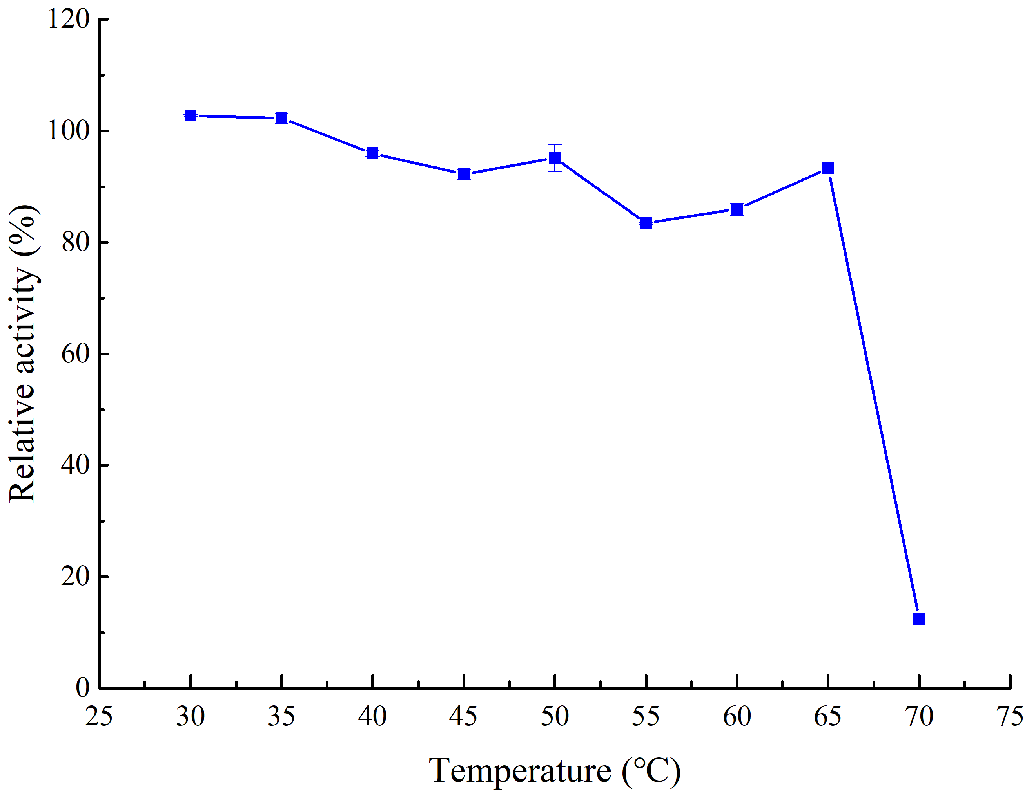
Thermostability | temperature (°C) | Relative activity (%) | St
 | 30 | 102.73 | 0.21
 | 35 | 102.26 | 0.87
 | 40 | 96 | 0.56
 | 45 | 92.23 | 0.91
 | 50 | 95.16 | 2.37
 | 55 | 83.45 | 0.13
 | 60 | 85.98 | 1.08
 | 65 | 93.27 | 2.31
 | 70 | 12.44 | 0.17

Half-life | Time (min) | Activity (U/mL) | St
 | 0 | 3796.1565538 | 29.441053377
 | 30 | 3718.089172 | 100.5902657
 | 60 | 3578.7244385 | 56.089878649
0 | 3796.1565538
30 | 3718.089172
60 | 3578.7244385
120 | 3355.5095541
180 | 3076.2018103
240 | 2942.6198458
 | 120 | 3355.5095541 | 83.416317901
 | 180 | 3076.2018103 | 2.4534211147
 | 240 | 2942.6198458 | 15.899986069

