Fig.1 Aw
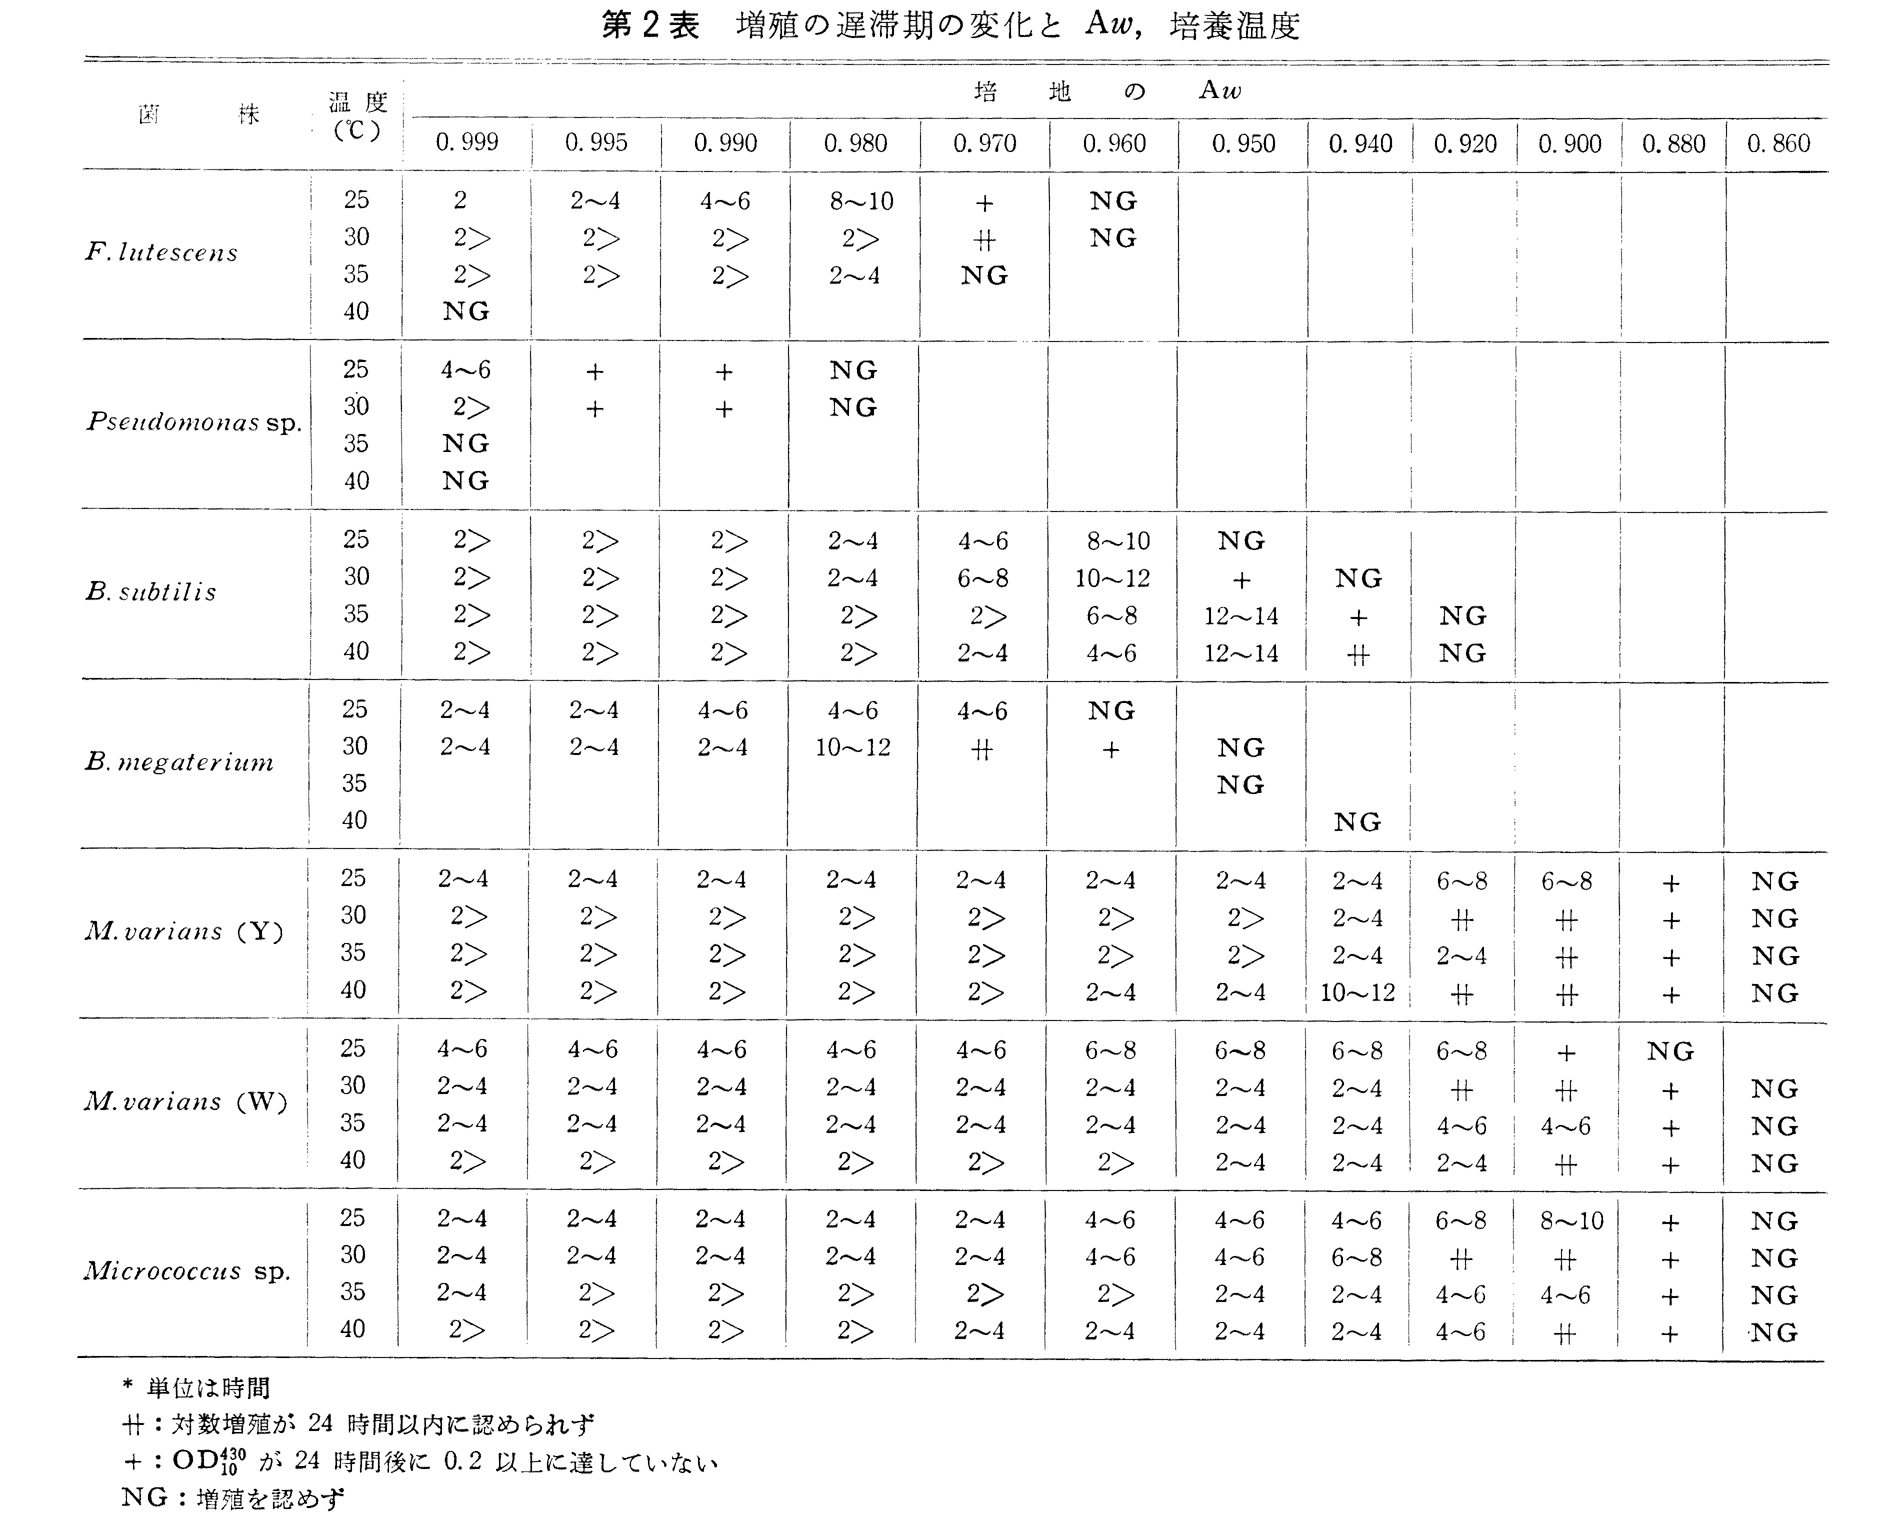
Measuring range：0.1～1.00 Aw
測定精度： ±20.0% Aw
再現性： ±0.005 Aw
Moisture% w/w | Aw | Nori koji
9.8 | 0.506 | Moisture28.6%
9.8 | 0.498 | Aw:0.82
30.0 | 0.849
30.0 | 0.855
50.0 | 0.954
50.0 | 0.945
60.0 | 0.962
60.0 | 0.963
70.0 | 0.971
70.0 | 0.971
75.0 | 0.973
75.0 | 0.973
80.0 | 0.975
80.0 | 0.975
85.0 | 0.977
85.0 | 0.977
90.0 | 0.979
90.0 | 0.979
95.0 | 0.98
95.0 | 0.98

Fig. 2 koji temp
Day | D1 | D2 |  |  |  | D3
Time (h) | 0 | 17 | 19.5 | 19.7 | 25 | 42.5 | 67
Temperature (℃） | 30 | 32 | 38 | 34 | 44 | 37 | 37

Fig. 3
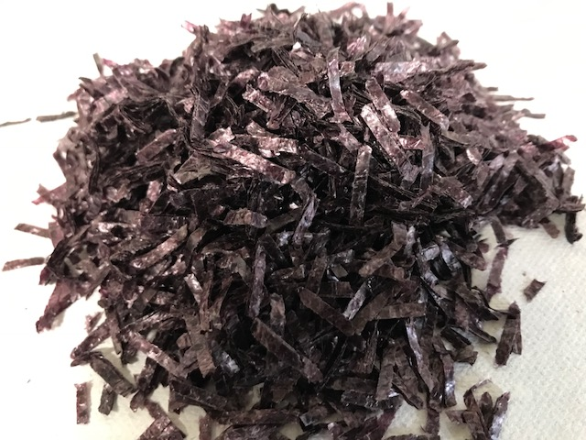
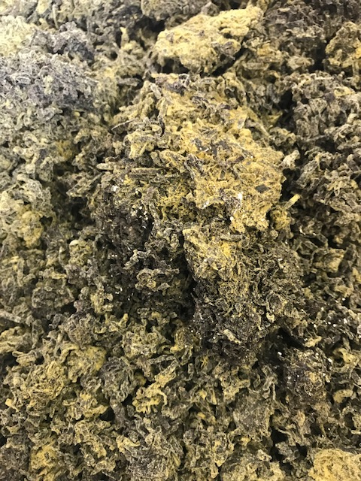

Fig.4GlcNAc
Mean | GlcNAc μg/g dry matter | Mean | Cell mass µmg/g dry matter
Before culture | 0.101 | Before culture | 0.727
After culture | 0.846 | After culture | 6.087

SD | GlcNAc μg/g dry matter | SD | Cell mass µmg/g dry matter
Before culture | 0.000 | Before culture | 0.003
After culture | 0.002 | After culture | 0.016

Fig. 5 Sup%
Mean | Dried nori |  | Fresh nori
 | Dried nori (without koji) | Dried nori (with koji) | Fresh nori (without koji) | Fresh nori (with koji)
1 | 0.9 | 1.4 | 4.4 | 7
20 | 26.6 | 56.2 | 32.8 | 42.8
41 | 29 | 68.5 | 37.8 | 50
121 | 46.3 | 72.7 | 36.4 | 74.5
167 | 53.9 | 74.4 | 56.4 | 74.3

SD | Dried nori |  | Fresh nori
 | Dried nori (koji 0%) | Dried nori (koji 10%) | Fresh nori (koji 0%) | Fresh nori (koji 10%)
1 | 0.8 | 0.7 | 1.8 | 3.4
20 | 3.1 | 4.8 | 3.7 | 3.6
41 | 2.6 | 2.4 | 3.8 | 3.1
121 | 2.5 | 1.4 | 1.6 | 5.9
167 | 1.4 | 0.8 | 2.1 | 0.2

Fig.6 TN
Mean | Dried nori |  | Fresh nori |  | Mean |  | Day 41 | Day 167
 | Dried nori without koji | Dried nori with koji | Fresh nori without koji | Fresh nori with koji | Dried nori | Dried nori (without koji) | 0.15 | 0.15
Day 41 | 0.15 | 0.33 | 0.08 | 0.22 |  | Dried nori (with koji) | 0.33 | 0.34
Day 167 | 0.15 | 0.34 | 0.09 | 0.28 | Fresh nori | Fresh nori (without koji) | 0.08 | 0.09
 |  |  |  |  |  | Fresh nori (with koji) | 0.22 | 0.28

SD | Dried nori |  | Fresh nori |  | SD |  | Day 41 | Day 167
 | Dried nori without koji | Dried nori with koji | Fresh nori without koji | Fresh nori with koji | Dried nori | Dried nori (without koji) | 0.01 | 0.01
41日後 | 0.01 | 0.04 | 0.00 | 0.01 |  | Dried nori (with koji) | 0.04 | 0.03
167日後 | 0.01 | 0.03 | 0.01 | 0.01 | Fresh nori | Fresh nori (without koji) | 0.00 | 0.01
 |  |  |  |  |  | Fresh nori (with koji) | 0.01 | 0.01

Fig.7 Organic acids(6Months)
Table 4 有機酸組成の比較
50ml | 有機酸（mg/100ml)
 | クエン酸 | ピルビン酸 | コハク酸 | 乳酸 | 酢酸 | ピログルタミン酸 | イソブチル酸
乾燥海苔（麹区） | 86.90 | 3.23 | 5.39 | 58.98 | 55.17 | 4.64 | 0
乾燥海苔（対照区） | 77.11 | 0 | 2.51 | 14.08 | 4.30 | 0 | 3.15
生海苔（麹区） | 51.27 | 0 | 3.35 | 125.41 | 45.24 | 0 | 0
生海苔（対照区） | 37.03 | 0 | 0 | 74.52 | 15.03 | 0 | 0

Mean | Citric | Pyrubic | Succinic | Lactic | Acetic | Pyroglutamic | isobutyric
Dried nori（without koji） | 77.11 | 0 | 2.51 | 14.08 | 4.30 | 0 | 3.15
Dried nori（with koji） | 86.90 | 3.23 | 5.39 | 58.98 | 55.17 | 4.64 | 0

Mean | Citric | Pyrubic | Succinic | Lactic | Acetic | Pyroglutamic | isobutyric
Fresh nori（without koji） | 37.03 | 0 | 0 | 74.52 | 15.03 | 0 | 0
Fresh nori（with koji） | 51.27 | 0 | 3.35 | 125.41 | 45.24 | 0 | 0

SD | Citric | Pyrubic | Succinic | Lactic | Acetic | Pyroglutamic | isobutyric
Dried nori（without koji） | 12.12 | 0.00 | 0.80 | 3.32 | 2.46 | 0.00 | 5.45
Dried nori（with koji） | 1.65 | 5.60 | 0.92 | 11.78 | 6.13 | 4.02 | 0.00

SD | Citric | Pyrubic | Succinic | Lactic | Acetic | Pyroglutamic | isobutyric
Fresh nori（without koji） | 4.99 | 0.00 | 0.00 | 7.41 | 5.62 | 0.00 | 0.00
Fresh nori（with koji） | 4.22 | 0.00 | 0.28 | 20.40 | 9.76 | 0.00 | 0.00

mg/100ml | Citric | pyroglutamic | isobutyric
Dry | 84.32 | 0 | 0
 | 63.12 | 0 | 9.4459012256
 | 83.88 | 0 | 0
Dry+koji | 88.60 | 6.9024241471 | 0
 | 85.30 | 7.0150262043 | 0
 | 86.80 | 0 | 0
Fresh | 42.74 | 0 | 0
 | 33.53 | 0 | 0
 | 34.82 | 0 | 0
Fresh+koji | 49.88 | 0 | 0
 | 56.02 | 0 | 0
 | 47.92 | 0 | 0

