Model Prediction
Patient N° | HPV status | Model Prediction for HPV positivity
1 | 1 | 0.93
2 | 1 | 0.93
3 | 1 | 0.97
4 | 1 | 0.94
5 | 0 | 0.19
6 | 1 | 0.97
7 | 0 | 0.85
8 | 1 | 0.94
9 | 1 | 0.97
10 | 0 | 0.27
11 | 1 | 0.85
12 | 1 | 0.25
13 | 1 | 0.19
14 | 1 | 0.85
15 | 1 | 0.66
16 | 1 | 0.97
17 | 0 | 0.27
18 | 1 | 0.94
19 | 0 | 0.25
20 | 1 | 0.66
21 | 1 | 0.93
22 | 0 | 0.97
23 | 1 | 0.94
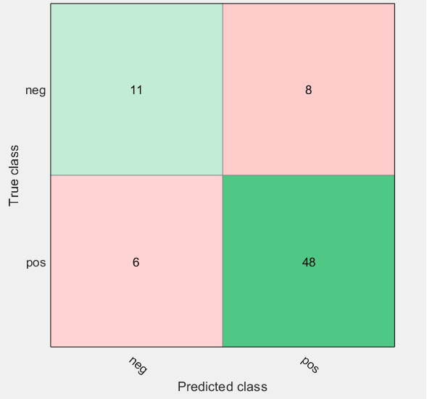
24 | 0 | 0.22
25 | 1 | 0.94
26 | 1 | 0.22
27 | 1 | 0.85
28 | 1 | 0.93
29 | 1 | 0.66 | Accuracy 80.8% [95%CI: 70.0%-89.1%]
30 | 1 | 0.97 | Sensitivity = 85.7% [95%CI: 73.8%-93.6%]
31 | 1 | 0.97 | Specificity = 64.7% [95%CI: 38.4%-85.8%]
32 | 1 | 0.93 | Positive Predictive Value = 88.9% [95%CI: 80.6%-93.9%]
33 | 1 | 0.94 | Negative Predictive Value = 57.9% [95%CI: 40.0-74.1%]
34 | 0 | 0.27
35 | 0 | 0.93
36 | 0 | 0.93
37 | 0 | 0.22 | Area under the ROC curve = 0,810
38 | 1 | 0.97 | Standard error = 0,051
39 | 1 | 0.93 | 95% Confidence interval = 0,701 to 0,892
40 | 1 | 0.97 | P (Area=0.5) < 0,0001
41 | 1 | 0.93
42 | 1 | 0.94
43 | 1 | 0.94
44 | 1 | 0.97
45 | 1 | 0.97
46 | 0 | 0.44
47 | 0 | 0.8
48 | 1 | 0.97
49 | 1 | 0.93
50 | 1 | 0.84
51 | 1 | 0.97
52 | 0 | 0.27
53 | 1 | 0.97
54 | 1 | 0.66
55 | 0 | 0.97
56 | 0 | 0.25
57 | 1 | 0.19
58 | 1 | 0.44
59 | 1 | 0.97
60 | 0 | 0.19
61 | 0 | 0.22
62 | 0 | 0.19
63 | 1 | 0.97
64 | 1 | 0.93
65 | 1 | 0.44
66 | 1 | 0.97
67 | 1 | 0.86
68 | 1 | 0.94
69 | 1 | 0.97
70 | 1 | 0.85
71 | 1 | 0.97
72 | 1 | 0.97
73 | 1 | 0.8

